1. Title Page
Grocery Basket Analysis

Project Name: Instacart: Grocery Basket Analysis
Date: 7/25/24
Analyst Name: Jenny M.

Contents:
Population Flow
Consistency checks
Wrangling steps
Column derivations
Visualizations
Recommendations

Data Citation:
“The Instacart Online Grocery Shopping Dataset 2017”, Accessed from www.instacart.com/datasets/grocery-shopping-2017 via Kaggle on 7/25/24.
Please note: The customer data and the 'prices' column in the products data were both fabricated for the purpose of this course.

2. Population Flow
Title page

Population flow

Exclusion flag
Condition: max_order < 5
Obervations to be removed: 1,440,295
Final total count of order_products_all: 30,964,564

Orders_products_combined
Orders_products_merged
Orders_products_all

Total: 32,404,859
Total: 32,434,489
Total: 32,404, 859

1.) The grey boxes in the first row of the population flow represent the original data sets as they were when you downloaded them. In the Total fields you need to add the count of the rows when you imported the data set into Jupyter.
2.) The second row of boxes (coloured) represents the data sets after you manipulated them, e.g., removed missing values and duplicates. In the Total fields you need to add the count of the rows after conducting these operations. This offers a visual oveview of how the data flows throughout the data consistency checks.
3.) The third row, where also the arrows are coloured, represents the merges you performed between the datasets. In the Total fields you need to add the count of the rows in the merged datasets, so that you end up with the final dataset (in the red box). Keep in mind the final dataset should be without exclusions (based on the exclusion flag).

3. Consistency checks
 |  |  |  | Title page
Consistency checks

Dataset | Missing values | Missing values treatment | Duplicates
orders | days_since_prior_orders (206,209) | After further analysis, the missing values in this column actually indicate that the customer is a first time buyer. Therefore, created a column that flags the values as true or false | There were no duplicates
products | product_name column (16 missing) | Created a subset of the dataframe containing only the missing values. Furthermore, created an additional subset without the missing values. | found 5 duplicates, created a subset dataframe without duplicates (df_prods_clean_no_dups)
orders_products_prior | None
customers | None

4. Wrangling steps
 |  |  |  | Title page
Wrangling steps

Dataset / Columns Dropped | Columns Renamed | Columns' type changed | Comment/Reason
Orders : Eval_set removed | order_dow was changed to orders_day_of_week | Order_id as well as user_id | Eval_set column was not necessary for analysis / business requirements. Changed the name of the order_dow because the title was not intuitive. Changed both data types from integers to strings.
Departments : Nothing was removed | Index was created | Nothing was changed | Transposed the dataset and created an index as well as a new header to make it more intuitive
Customer: Removed first_name and surname columns | First Name to first_name Surnam to surname Gender to gender STATE to state Age to age n_dependants to number_of_dependants fam_status to marital status | user_id | Changed user_id to a string in order to match ords_prods data frame to merge datasets. Removed customer's first and last names due to PII concerns. Renamed columns as stated in the 'columns renamed' section to ensure proper formating and spelling for proper analysis.

5. Column derivations
 |  |  |  | Title page

Column derivations and aggregations

In this tab you should add tables below that the frequences of flags/label variables that you produced after deriving them. NB: don't do this for continuous variables, only for flags.
Dataset | New column | Column/s it was derived from | Conditions
ords_prods_merge | price_label | prices | Created conditions: If the prices are over $15, then flag it as a high-range product in the newly derived column. If the prices are ranged between $6-$15, then flag it as a mid-range product. If the prices are $5 or less, then flag it as a low-range product. Rationale: By creating this new column, we can draw insights on customer's spending habits. CareerFoundry provided the boundaries for these conditions.
 | busiest_day | orders_day_of_week | Created Conditions: If the value in the orders_day_of_week column is 0 (Saturday), then flag it as busiest day. If the value is 4 (Wednesday), then flag it as least busy. If the values are any other result than mentioned above, then flag it as regularly busy. Rationale: Creating a new column to determine the busiest days customers shop, is useful information for the sales / marketing teams to promote products or offer deals around these times. After exploratory analysis, it was noted that Saturday is the busiest day and Wednesday is the least busy.
 | busiest_days | busiest_day | Created Conditions: If the value in the orders days of week column is 0(Saturday) or 1(Sunday), then it should flag as the busiest days. If the values are 3(Tuesday) ot 4 (Wednesday), then flag the values as slowest days. If the values are different from the ones mentioned above, then flag it as regularly busy. Rationale: Understanding the busiest days / slowest days is useful to understand in terms of advertisments and sales. Grouping it in this manner was requested by CareerFoundry.
 | busiest_period_of_day | order_hour_of_day | Created Conditions: In the order_hour_of_day column, if the values are 10, 11, 14, 15, 13, 12, 16, or 9, then flag it as the most orders. (military time) If the values are 17, 8, 18, 19, 20, 7, 21, or 22, then flag it as average orders. If the results differ from the ones mentioned above, then flag it as fewest orders. Rationale: Deriving a new column of the busiest period of day is useful for marketing and sales strategies during these time periods. During exploratory data analysis, ran calculations finding the amount of orders per hour and then split those values into thirds.
 | max_order | user_id, order_number | maximum orders Rationale: Creating this column is useful for optimizing personal market targeting strategies.
 | loyalty_flag | max_order | Created conditions: If the max order is more than 40, then in the newly derived 'loyalty_flag' column, place loyal customer. If the order is between 11-40, then flag it as a regular cutsomer. If the order is 10 or less, then flag it as a new customer. Rationale: The conditions were created by CareerFoundry. Understanding the loyalty brand of instacart is useful in gathering insights on ordering / spending habits.
 | average_spent | user_id, prices | Average customers spent Rationale: Understanding the average customer's spent provides additional insight on spending habits.
 | spent_flag | average_spent, user_id, loyalty_flag | Created Conditions: If the average spent was lower than 10, then the value in the newly derived column should return as low spender. If the average spent was 10 or more, then the value should return as high spender. Rationale: CareerFoundry provided the conditions for this new column. Understanding high spenders vs low spenders, provides additional insights into the behaviors of customers.
 | customer_frequency | user_id, days_since_prior_order | average days since last order Rationale: Understanding the days since last order is useful for stocking up on inventory as well as when to do more advertising.
 | frequency_flag | customer_frequency | Created Conditions: In the customer_frequency column, if the number is greater than 20, then flag it as a non-frequent customer into the newly derived column. If the customer frequency is between 11-20, then flag it as a regular customer. If the customer_frequency is 10 or less, mark it as a frequenct customer. Rationale: The frequency_flag column ranges were set by CareerFoundry.
IC_customer_ords_prods | region | state | Created Conditions: In the state column, if the state is in the northeast, then in the region column return the value as northeast. If the state is in the midwest, then flag the value as midwest. If the state is in the south, then flag the region as south If the state is in the west, then flag the region as west. Rationale: Creating the new region column is useful in comparing customer habits based on each region.
 | exclusion_flag | max_order | Created Conditions: In the max order column if the value is 5 or more, then keep the value. If the max order is less than 5, then exclude the value. Rationale: Excluded certain values determined by CareerFoundry, in order to clean data and only keep relevant data.
 | age_group | age | Created Conditions: In the age column, if the age is 25 or less, consider the group young adults If the age is 26-44, then consider the age group adults If the age grop is 45-64 then consider the age group as older adults. If the age group is 65+, then consider the age group as seniors. Rationale: Dividing the ages in to groups, is useful to better understand what products these groups are purchasing as well as spending habits. After researching different age groups, I felt it was best to divide it into 4 groups.
 | income_class | income | Created Conditions: In the income column, if the income is under 58,000, then flag it as lower class. If the income is between 58,000-152,999, then flag the income as middle class. If the income is greater than 153,000, then flag it as upper class. Rationale: The income class category numbers were derived from further resources. By having a breakdown of income classes, it can be compared by region as well as spending habits through instacart.
 | family_size | number_of_dependants | Created Conditions: In the number of dependants column if the number is less than one, then flag it as single in the newly derived column. If the number of dependants is 1-2 then consider the family size as small. If the number of dependants is 3+ then consider the family size large. Rationale: Comparing family sizes is useful in discovering spending / ordering habits among the regions.
 | department | department_id | Data dictionary from previous task

6. Visualizations
 |  | Title page

Visualisations

In this tab you should include all the visualtions from Exercises 4.9 and 4.10, alongside the questions from the project brief that they answer. Include any commentary on the relationship between different variables.

 | 1. The sales team needs to know what the busiest days of the week and hours of the day are (i.e., the days and times with the most orders) in order to schedule ads at times when there are fewer orders.

Orders Compared to Days of the Week
Order Hour of Day Frequency


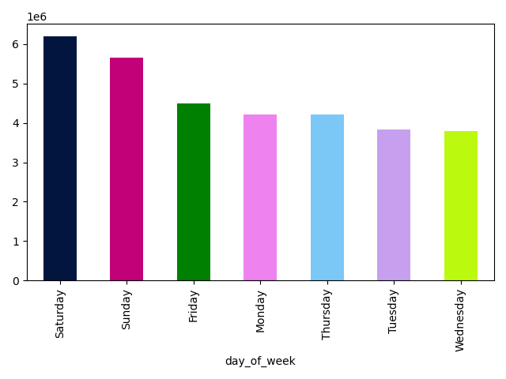

Note: This chart analyzes the order numbers in comparison to each day of the week.
Comments: Saturday and Sunday contain the highest number of orders. The most orders occur starting around 9am through the late afternoon around 4 PM. On the other hand, Tuesday and Wednesday contain the least amount of orders.

Note: This chart illustrates the freuquency of orders for each hour of the day.
Comments: The frequency of orders begins to steadily increase around 6 A.M. and peaking around 10 A.M. From there, the frequency remains consistent and starts to decrease around 4 P.M.

2. Are there particular times of the day when people spend the most money?

Order Hour of Day Compared to Prices

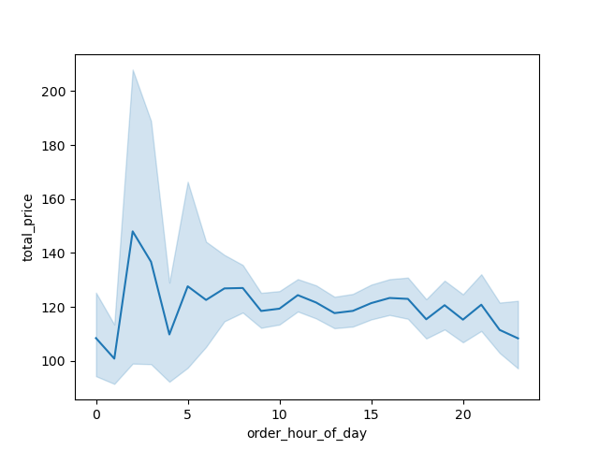

Notes: The line graph is illustrating the order hour of day compared to total prices.
Comments: Based on this line chart, it appears that the peak occurs in the early morning, dropping around 4 A.M. The rest of the day remains rather consistent.

3. Are there certain types of products that are more popular than others? The marketing and sales want to know which departments have the highest frequency of product orders.

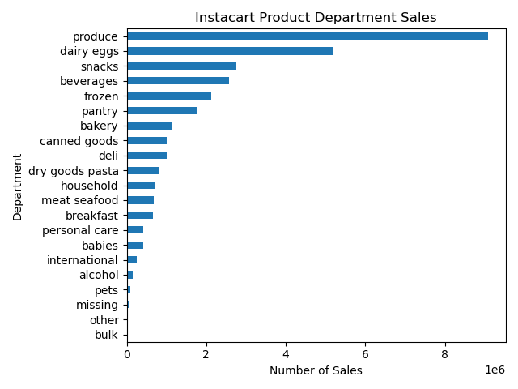

Comments: The top 3 number of sales include: produce, dairy eggs, and snacks. It is important to note that produce by far has the most sales.

4. What is the distribution among users in regards to their brand loyalty (i.e., how often do they return to Instacart)

Number of Customers Per Brand Loyalty



Notes: This visualization is showing the number of customers within each brand loyalty.
Comments: The highest number of customers are within the 'regular customer' loyalty.

5. Are there differences in ordering habits based on a customer's loyalty status?

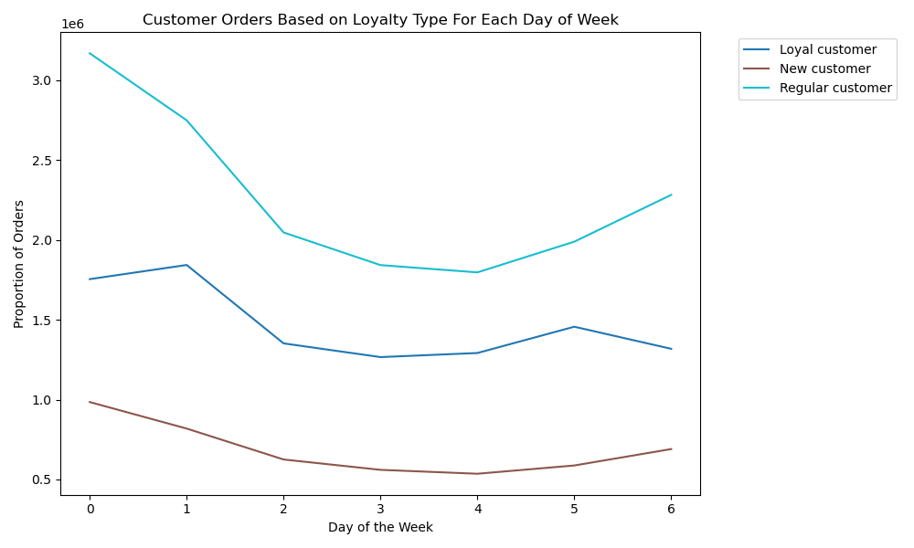

Notes: This line chart provides the proportion of orders to loyalty brand for each day of the week.
Comments: Overall, regular customers dominate the proportion of sales compared to loyal customers and new customers. However, they all contain the highest proportion on Saturday.
Later in the week, starting on Wednesday into Thursday, the orders for all loyalties start to pick up again but the loyal customer proportion tapers off by Friday.

6. Are there differences in ordering habits based on a customer's region?

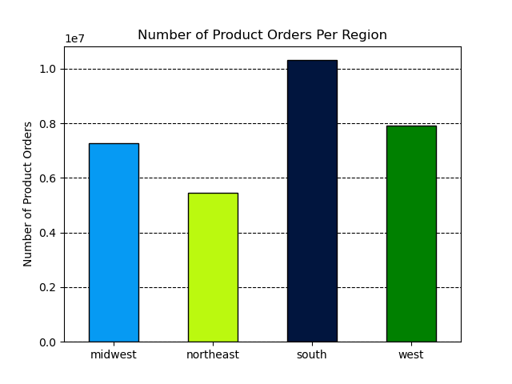

Notes: This chart is analyzing the number of orders based on a customer's region.
Comments: The south region contains the highest number of orders for products. Contrast, the northeast region contains the least number of orders.

7. Is there a connection between age and family status in terms of ordering habits?

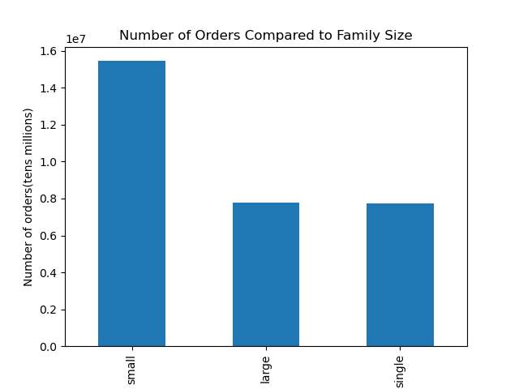
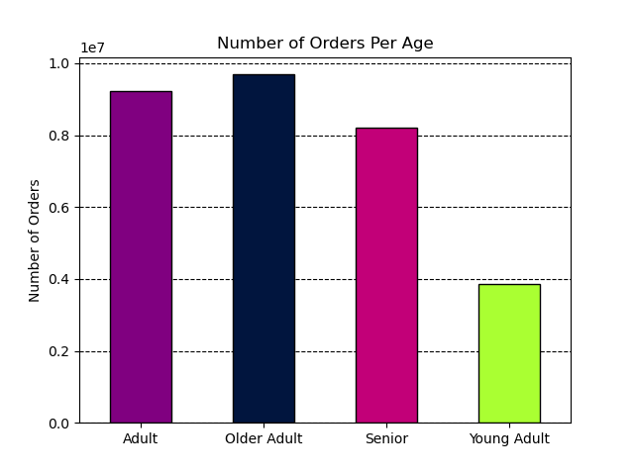

Notes: This bar chart is comparing the number of orders with family size.
Comments: In terms of customer order habits, small families contain the highest number of orders. Large families and single poeple, come close into the amount of orders placed.

Notes: This chart provides insights on the number of orders for each age group.
Comments: Older adults contain the most orders followed by adults. Young adults make the least.

8. What different classifications does the demographic information suggest?
What differences can you find in the ordering habits of different customer profiles? Consider the price of orders, the frequency of orders, the products costumers are ordering, etc.

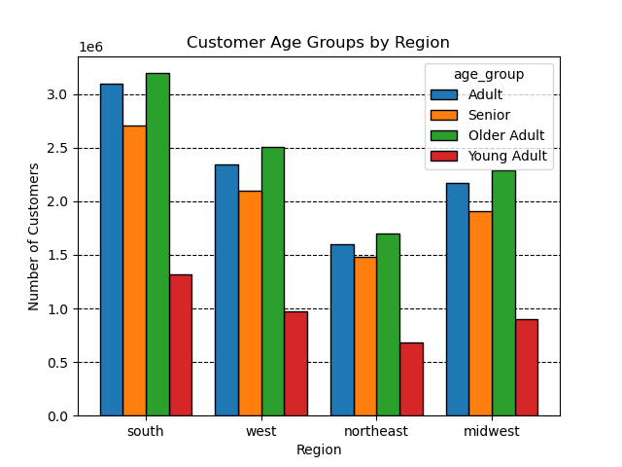
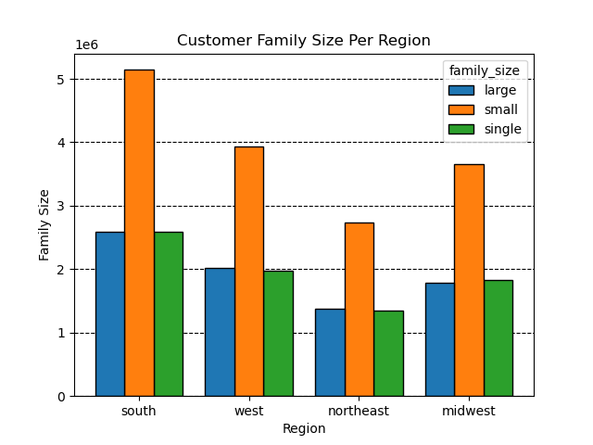

Note: This graph provides insights on the number of customers who are considered adults, seniors, older adults, and young adults within each region.
Comments: Older adults consist of the majority of the customers within each region closely followed by adults and seniors. Young adults are the least.
In terms of the most orders (# of orders per age chart), older adults also place the highest number of orders in each region.

Note: This graph is analyzing family size per region.
Comments:
In each region, the number of small families are the largest while both single people and large families are a fraction of that. With this and the chart above (# of order compared to family size), it can be confrimed that the small families also place the most orders.

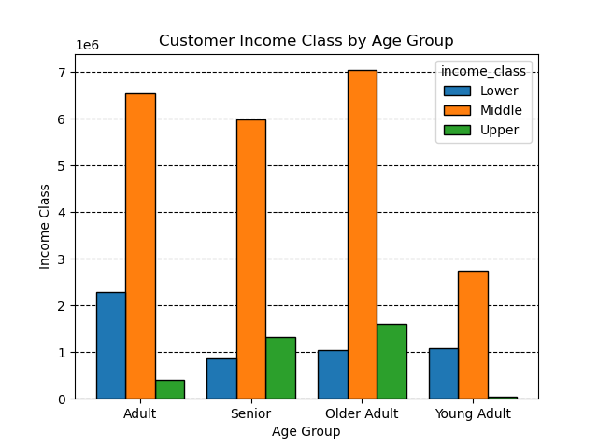

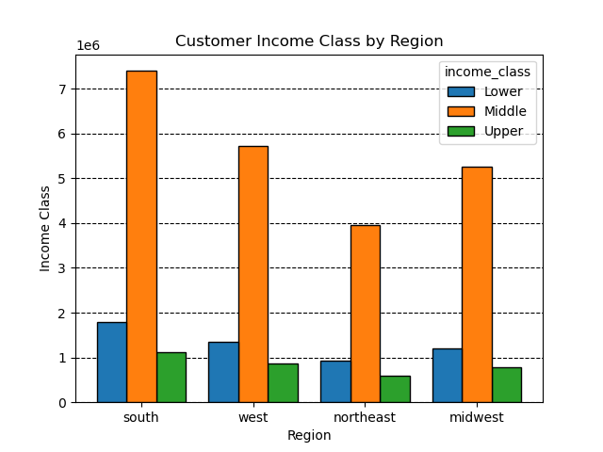

Note: This graph illustrates Instacart customer's income class in each region.
Comments: The middle class bracket consists of the vast majority of customers. The other classes are substantially lower; however, the second income class contains the lower.

Note: This histogram shows the frequnecy of income class based on age groups.
Comments: In all age groups, middle class contains the highest frequency by far. Furthermore, in the older age group and seniors contain the highest upper class compared to young adults and adults.

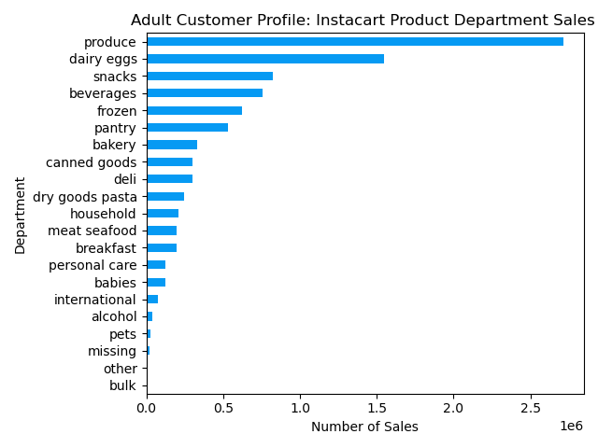
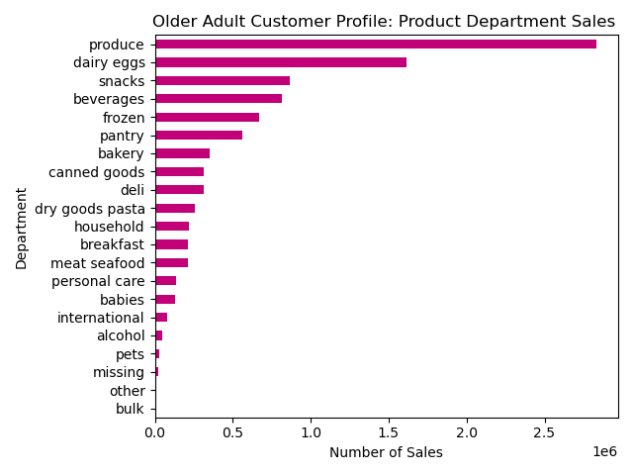

Notes: This visualization provides analytical insights as to what older adults aged 45-64 are purchasing within each department.
Comments: Similarly to the adults, and young adults, the top 5 product sales are within the same departments. When narrowing on numerical values however, the amounts are higher in the older adults and adults compared to young adults.

Notes: The chart on the left illustrates the product sales within the department for adults within 25-44 years of age.
Comments: Produce, dairy eggs, snacks, beverages, and frozen foods are the top 5 products within the adult age group.

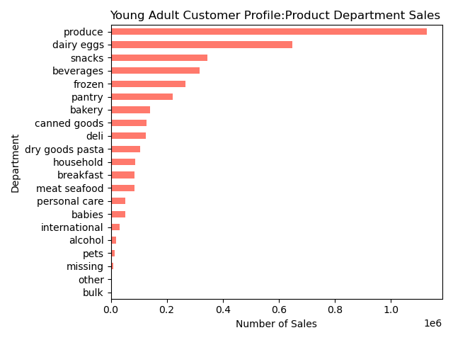
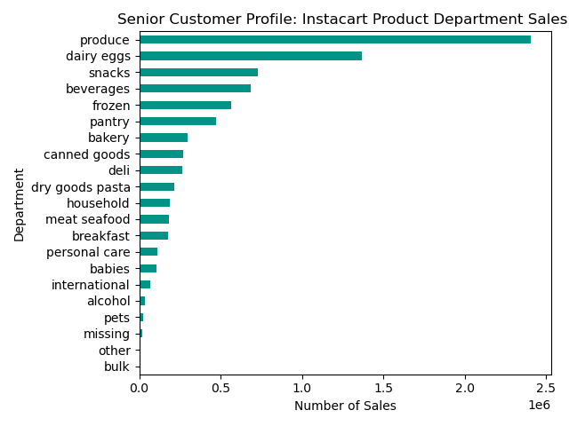

Notes: This chart illustrates the young adult customer profile in terms of product sales in each department. Young adults are considered to be those under 25.
Comments: The top 5 products in each department ranks the same as the adults, however in smaller ranges. This could be due to there being less young adults in the data.
Notes: Lastly this bar chart provides insights as to what seniors ages 65+ are purchusing within each department.
Comments: Similar to each visualization of product department sales, the rank of most common departments are the same. However, within each department, there is a slight difference in terms of numerical values. The ranking in that aspect are as follows: Older adults, adults, seniors, young adults.

7. Recommendations
 |  | Title page

Recommendations

In this tab you should include any recommendations you would made to Instcart in terms of their marketing strategy based on the questions posed in the brief. Every key question has been covered in the Tasks of the Exercises - here you need to add an item - a visualisation or table/crosstable that is showing the answer in the data, acompanied by a comment from you. Please, list the questions below and add the answer underneath.

Key Questions | Answers
What days of the week and hours of the day are busiest? | Saturday and Sunday contain the highest number of orders. The most orders occur starting around 9am through the late afternoon around 4 PM. On the other hand, Tuesday and Wednesday contain the least amount of orders. Given this, the sales team can schedule ads between 5 P.M. - 11 P.M. in order to boost sales.
Are there particular times of the day when customer's spend the most money? | Based on this line chart, it appears that the peak occurs in the early morning, and for the rest of the day, the prices remain rather consistent. The sales team should consider this time of day for advertising products.
Are there certain types of products that are more popular than others? | The top 3 number of sales include: produce, dairy eggs, and snacks. It is important to note that produce by far has the most sales. Now that it is known what times are most popular for ordering and when people spend the most money, marketing and sales can further promote special deals at these times as this will continue to draw customers in.
What is the distribution among users in regards to their brand loyalty? | The highest number of customers are within the 'regular customer' loyalty. A suggestion to the marketing/sales team includes offering deals to those who are considered regular customers in effort to transition them into loyal customers.
Are there differences in ordering habits based on a customer's loyalty status? | Overall, regular customers dominate the proportion of sales compared to loyal customers and new customers. However, they all contain the highest proportion on Saturday. Later in the week, starting on Wednesday into Thursday, the orders for all loyalties start to pick up again but the loyal customer proportion tapers off by Friday. It is recommened to advertise products Tuesday into Wednesday in order to increase sales midweek.
Are there differences in ordering habits based on a customer's region? | The south region contains the highest number of orders for products. In contrast, the northeast region contains the least number of orders. Although the South region contain the highest number of customer orders, adverstisements as well as sales should be directed at the northeast region, which contains the lowest number of customer orders.
Is there a relationship between age and family status in terms of ordering habits? | Family Size: In terms of customer order habits, small families contain the highest number of orders. Large families and single people come close into the amount of orders placed. Age groups: Older adults contain the most orders followed by adults. Young adults make the least. It is recommended to target large families by offering special bulk deals as well as advertising products in an effort to boost the number of orders from large families.
What different classifications does the demographic information suggest?What differences can you find in ordering habits of different customer profiles? | Family Size Per Region: In each region, the number of small families are the largest while both single people and large families are a fraction of that. Not only is the number of small families the largest, but they also place the most orders. Income Class Per Region: The middle class bracket consists of the vast majority of customers. The other classes are substantially lower; however, the second income class contains the lower. Age Group Per Region: Older adults consist of the majority of the customers within each region closely followed by adults and seniors. Young adults are the least. It can be noted that the older adults also place the highest number of orders. Relationship Between Age and Income: In all age groups, middle class contains the highest frequency by far. Furthermore, the older age group as well as seniors contain the highest upper class compared to young adults and adults. Adult Product Department Sales: Produce, dairy eggs, snacks, beverages, and frozen foods are the top 5 products within the adult age group. Young Adult Product Department Sales: The top 5 products in each department ranks the same as the adults, however in smaller ranges. This could be due to there being less young adults in the data. Older Adult Product Department Sales: Similarly to the adults, and young adults, the top 5 product sales are within the same departments. When narrowing on numerical values however, the amounts are higher in the older adults and adults compared to young adults. Senior Product Department Sales: Similar to each visualization of product department sales, the rank of most common departments are the same. However, within each department, there is a slight difference in terms of numerical values. The ranking in that aspect are as follows: Older adults, adults, seniors, young adults.
 | Since there is a weak correlation between age and income, it is not recommended to target customers based on income. As far as age groups, there could be more targeted ads toward young adults based on their general interest to boost revenue.

